Sheet1
User defined Function (UDF)

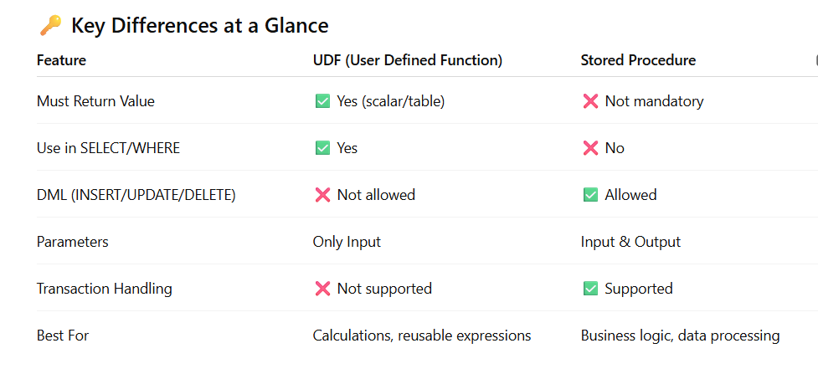
 |  | Function | Function always revert values

 |  | Types of Function

 |  | System defined Function
 |  | User defined Function

 |  | Difference between Function and Procedure

 |  | Function | Procedure
 |  | Always return value | Always not return Value
 |  | More Flexible | Not more flexible
 |  | 3 Types | Only 1 Type

 |  | Types of Function

 |  | 1). Scaler Valued Function
 |  | 2). Inline table valued Function
 |  | 3).Multi Statement Table Valued Function

 |  | Function Syntax

 |  | Create Function FunctName (@var as datatype,@var1 as datatype)
 |  | returns datatype
 |  | as
 |  | begin
 |  | SQL Query Statement
 |  | return QueryStatement
 |  | end

 |  | execute Syntax

 |  | Select dbo.FunctionName(parameter)

 |  | Dynamic Stored Procedure | done

 | SrNo | UDF Topics | status
 | 1 | Normal UDF | TRUE
 | 2 | Extract Odd/Even No | TRUE
 | 3 | Extract Leap Year | TRUE
 | 4 | Extract FYQ | TRUE
 | 5 | Extract FY Month | FALSE | HomeTask
 | 6 | Extract DOB | FALSE | HomeTask
 | 7 | GetResult Fail/Pass/Second/First/excellent | FALSE | HomeTask
 | 8 | Extract WeekNumber | FALSE | HomeTask
 | 9 | Extract Prime Number | FALSE | HomeTask
 | 10 | Extract GST Amount | FALSE | HomeTask
 | 11 | Inline table valued Function | TRUE
 | 12 | Normal Table | TRUE
 | 13 | Query with Group By | TRUE
 | 14 | Query with Pivot Table | FALSE | HomeTask
 | 15 | Multi Statement Table Valued Function | TRUE
 | 16 | Windows Function | TRUE

 |  | ROW_NUMBER() | TRUE
 |  | RANK() | TRUE
 |  | DENSE_RANK() | TRUE
 |  | NTILE() | TRUE
 |  | Order by | TRUE
 |  | Partition by | TRUE

 |  | Trigger & Cursor Next Class

